Screen
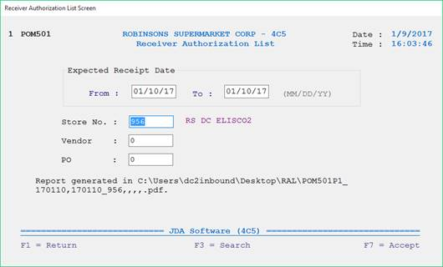
 | Screen Validation:
 | 1) User can enter either Date or PO#. These are the mandatory fields.
Program Name | 2) If PO is selected, Date/Store/Vendor should be blanks. Else, display error message
 | 3) If Date is selected, user can enter store or vendor.
 | 4) Store and vendor fields are not mandatory.
 |  | a) If store is entered, store should exist in TBLSTR. Else, display error message. Get all the POs with the selected store within the date range entered.
POMHDR/POSDAT |  | b) If vendor is entered, vendor should exist in APSUPP. Else, display error message. Get all the POs with the selected vendor within the date range entered.
 | 5) PO number should exist in POMHDR and should be in "3" released status. Else, display error message.
POMHDR/POSDAT | 6) PO number should exist in POMRCH.

POMHDR/POLOC TBLSTR/STRNUM TBLSTR/STRNAM

POMHDR/POVNUM APSUPP/ASNUM
POMHDR/PONUMB

Report
 |  | Link POVNUM to APSUPP/ASNUM. Get APSUPP/ASAUTO. "C"-Cross Dock / "S"-Stock

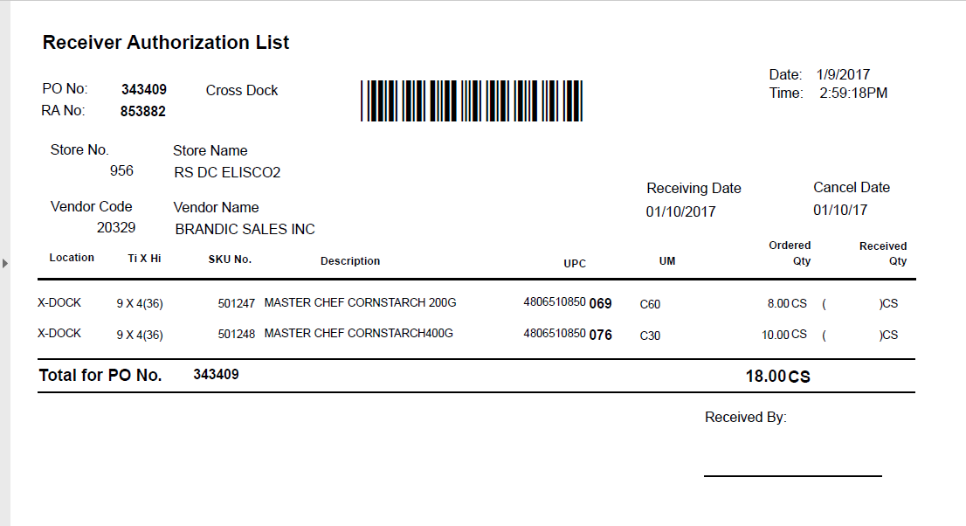

POMRCH/PONUMB
POMRCH/POMRCV
 |  |  |  |  |  |  | Link PONUMB to POMHDR/PONUMB. Get POMHDR/POSDAT
POMRCH/POLOC
Link POLOC to TBLSTR/STRNUM. Get TBLSTR/STRNAM |  |  |  |  |  |  | Link PONUMB to POMHDR/PONUMB. Get POMHDR/POCDAT

POMRCH/POVNUM

Link POVNUM to APSUPP/ASNUM Get APSUPP/ASNAME

 | Link PONUMB to POMRCD/PONUMB. Get all records in POMRCD/INUMBR |  | Link INUMBR to INVMST/INUMBR Get INVMST/IDESCR | Link INUMBR to INVUPC/INUMBR Get INVUPC/IUPC | POMRCD/POMUM | POMRCD/POMQTY divided by POMRCD/POMPK

Report:
1) If PO is selected: POM501P1_PO_123456.pdf
2) If Date is selected: POM501P1_FromDate(YYMMDD)_ToDate(YYMMDD).pdf
3) If Date and store are selected: POM501P1_FromDate(YYMMDD)_ToDate(YYMMDD)_956.pdf
4) If Date and vendor are selected: POM501P1_FromDate(YYMMDD)_ToDate(YYMMDD)_912345.pdf
5) If Date, vendor and store are selected: POM501P1_FromDate(YYMMDD)_ToDate(YYMMDD)_956_912345.pdf

